Instructions
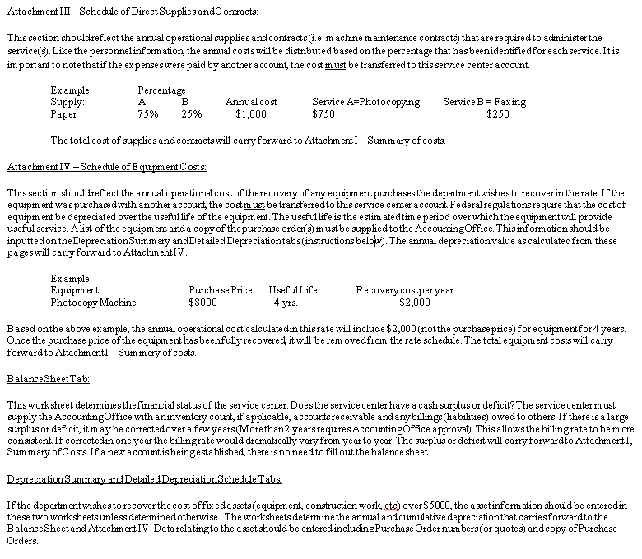
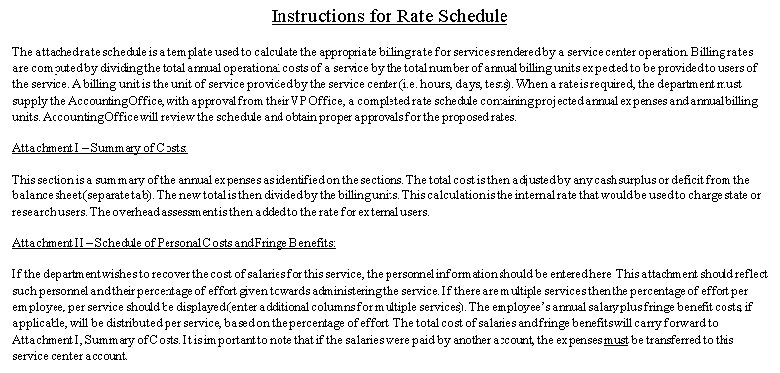
Definitions

Equipment: An item of tangible personal property having a useful life exceeding one year and an acquisition cost of $5,000 or more.

Billing Unit: The unit of service provided by a service center. Examples of billing units include hours of service, animal care days, and test performed or machine time used.

Billing Rate: The amount charged to a user for a unit of service. Billing rates are usually computed by dividing the total annual costs of the service center by the total number of billing units expected to be provided to users of the service for the year.

Surplus: The amount that the revenue generated by a service center exceeds the costs of providing the service during a fiscal year.

Excess Revenue: The amount of revenue collected above the calculated external rate, that may be used to support the department’s operations

Deficit: The amount that costs of providing a service exceed the revenue generated by the service center during a fiscal year.

Fiscal Year: The 12 month period used for accounting purposes which runs from July 1 to June 30.

Inventory: The supply of goods kept on hand by an establishment

Depreciation: An accounting term which recognizes that an item of equipment’s value is spread out over a period of useful life or benefit. The asset is “consumed” over an extended period of time, typically several years. This period is called the useful life of the asset.

