Journal Request Support
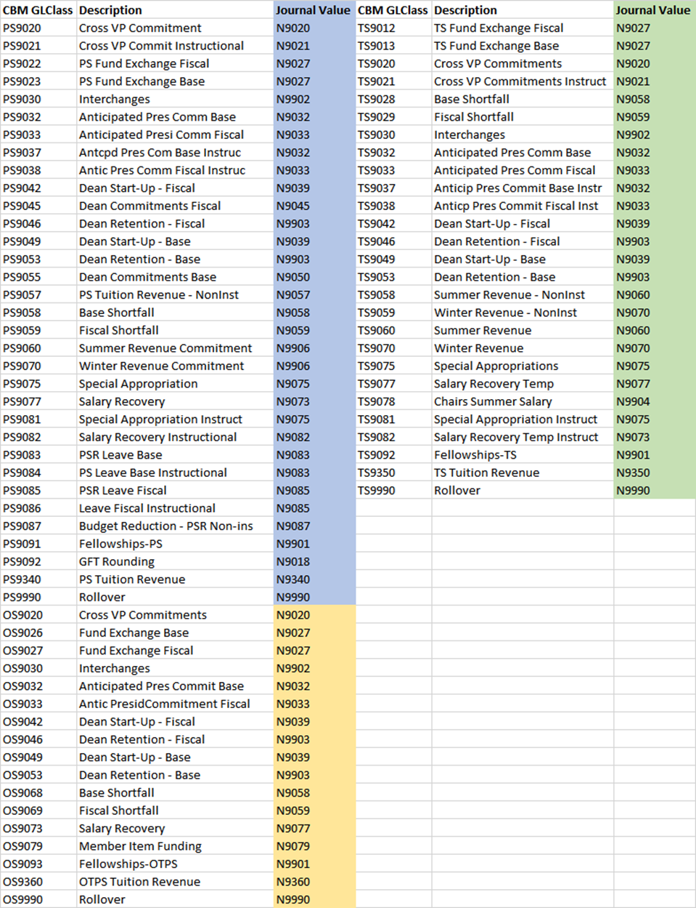
Journal/Expense Transfer Request Support Schedules

Please provide the data elements on the following Journal/Expense Transfer Request Support Schedule. The schedule is a useful tool in ensuring expense transfers are being processed in accordance with the Campus Budget Module (CBM) or based on the original expense details. We encourage all areas to minimize the need for expense transfers by, where possible, initiating the expense on the applicable account.

With the exception of Capital Construction Billing requests received from the CPDC area, requirements applicable to:

Transfer requests in excess of $25,000
All transactions where a deficit will be created in an IFR account

Detail support required when moving expenses from one account in instances where the original account was incorrectly used. The same object code from the original transaction must be used in the correction entry.

Important items to remember when requesting a Journal/Expense transfer:

All transfers are submitted on a Journal Transfer Template.
All transfers over $25,000 must include a Journal Expense Transfer Request Support Schedule.
Utilize the object code list located on the Accounting website and on the Journal Transfer Template.
Do not cross object codes – the same object code must be used for the debit and credit accounts.
The expense being moved must exist on the account. Detail transaction support is required.
Charge appropriate expenses to accounts (i.e. Student Fees, Service Centers, Special Appropriations are restricted to certain expenses).
The Journal Transfer Template and Journal/Expense Transfer Request Back-Up Template is used for appropriated (State, IFR, SUTRA, HIFR, DIFR) expense transfers only.
Be cognizant of lapsing deadlines when processing expense transfers.
Equivalent Expense Transfers - We are required to match the budget in CBM to the transfer. Transfers between accounts must be made consistent with how they were budgeted in the Campus Budget Module (CBM) at the object code level.
All NEGATIVE BUDGETED amounts must be identified with each transaction; please provide the GL Class from the Campus Budget Module (CBM).
All NEGATIVE BUDGETED amounts must include the corresponding ‘N’ value
We cannot cross object codes at the budget / journal expense level. This requires the transactions to properly match – if the transaction was budgeted in PSR – the expenditure transaction must move PSR, TS to move TS and OTPS to move OTPS

Journal Transfer Support Schedule
Date:
Requester:
Department:
VP Area:
Cross VP (YES/NO):
Equivalent Expense (YES/NO):
If YES, provide CBM GL Class from CBM:
1) Please provide available balance(s) from SUNY BI in the below excel grid to analyze the relevant accounts and the effect of the Journal Transfer after it has been processed. Encumbrances are included in the available balances. Please NOTE that screenshots of available balances are requested and should be pasted in after the below section is filled out.

 |  | Available Balance (Include Encumbrances)
 |  | PS |  |  | TS |  |  | OTPS |  |  | TOTAL
Account | Account Title | Curr Avail PS Bal | JT Dr/(Cr) | Avail PS Bal afer JT | Curr Avail TS Bal | JT Dr/(Cr) | Avail TS Bal afer JT | Curr Avail OTPS Bal | JT Dr/(Cr) | Avail OTPS Bal afer JT | Curr Avail Bal | JT Dr/(Cr) | Avail Bal after JT
 |  |  |  | - |  |  | - |  |  | - | - | - | -
 |  |  |  | - |  |  | - |  |  | - | - | - | -
 |  |  |  | - |  |  | - |  |  | - | - | - | -
 |  |  |  | - |  |  | - |  |  | - | - | - | -
 |  |  |  | - |  |  | - |  |  | - | - | - | -
 |  |  |  | - |  |  | - |  |  | - | - | - | -

2) Please provide the accrued cash balance in the boxes below for all accounts effected that are in a cash or uncommitted cash deficit before and/or after the requested journal transfer is processed. Please include the breakout and back-up of current assets and liabilities included in the accrued cash balance for each account. Attach additional sheets if necessary

Account Number:
Account Title:

1)Ending Cash balance as of today
2)Accounts Receivable (Net of uncollectibles) | $- | *Auto sum formula
In house (State/IFR/HIFR/DIFR/SBF)
Research Foundation
Auxiliary Services (FSA)
Others (CPMP,off-campus)
3)Inventories
4)Unrecovered Equipment Purchases
5)Subtotal (1+2+3+4) | $-
6)Due to others (Liabilities)
7)Accrued Cash Balance (5-6) | $-

Account Number:
Account Title:

1)Ending Cash balance as of today
2)Accounts Receivable (Net of uncollectibles) | $- | *Auto sum formula
In house (State/IFR/HIFR/DIFR/SBF)
Research Foundation
Auxiliary Services (FSA)
Others (CPMP,off-campus)
3)Inventories
4)Unrecovered Equipment Purchases
5)Subtotal (1+2+3+4) | $-
6)Due to others (Liabilities)
7)Accrued Cash Balance (5-6) | $-

3) For Equivalent Expense Transfers - Please provide the corresponding N value and include the value in the first character of the line description of the Journal Transfer Description. The Following are valid values for the crosswalk from CBM to N value

